Sheet1
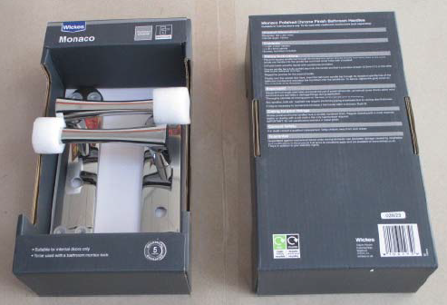
SKU | Description | Quantity
253783 | Passage Knob Set Chrome | 1648
253782 | Passage Knob Set Brass | 592
253793 | Dante Bathroom Handle PC | 1856
253755 | Milan BN Round Rose Door Handle | 3008
253796 | Dante Bathroom Handle Satin Nickel | 912
253766 | Madrid PC & SN Lock Door Handle | 192
253766 | Madrid PC & SN Lock Door Handle | 2208
253765 | Madrid PC & SN Latch Door Handle | 896
253790 | Lisbon Bathroom Handle Satin Nickel | 800
253765 | Madrid PC & SN Latch Door Handle | 2304
253790 | Lisbon Bathroom Handle Satin Nickel | 1248
253785 | Lisbon Latch Handle Polished Chrome | 1744
253767 | Madrid PC & SN Bathroom Door Handle | 4720
253788 | Lisbon Latch Handle Satin Nickel | 2448
253769 | Madrid BN Lock Door Handle | 2400
253789 | Lisbon Lock Handle Satin Nickel | 1424
253768 | Madrid BN Latch Door Handle | 2096
253773 | Madrid AB Bathroom Door Handle | 640
253773 | Madrid AB Bathroom Door Handle | 1760
253768 | Madrid BN Latch Door Handle | 1104
253771 | Madrid AB Latch Door Handle | 480
253770 | Madrid BN Bathroom Door Handle | 2400
253772 | Madrid AB Lock Door Handle | 1552
253772 | Madrid AB Lock Door Handle | 848
253781 | Privacy Knob Set Satin Nickel | 2016
106423 | Elda Bathroom Handle Satin Nickel | 165
253765 | Madrid PC & SN Latch Door Handle | 1600
253720 | Suqare Knob Antique Brass - Pack of 6 | 513
253757 | London PC Round Rose Door Handle | 2000
253760 | London PB Round Rose Door Handle | 2000
253759 | London AB Round Rose Door Handle | 1568
253763 | Venice Black Round Rose Door Handle | 2400
253758 | London Black Round Rose Door Handle | 2000
253736 | T Bar Knob Black - Pack of 2 | 3200
119542 | T Bar Handle Brushed Nickel 160mm Pk2 | 2500
253725 | Flat Handle Pearl Black - Pack of 2 | 2040
253712 | Circle Knob Antique Brass - Pack of 6 | 2400
253751 | Vienna SN Round Rose Door Handle | 2000
253752 | Vienna AB Round Rose Door Handle | 2000
 |  | 67682

